Assignment 1
Assignment 1: | List all the employees from the employee table.

Query: | SELECT * FROM EMPLOYEES;

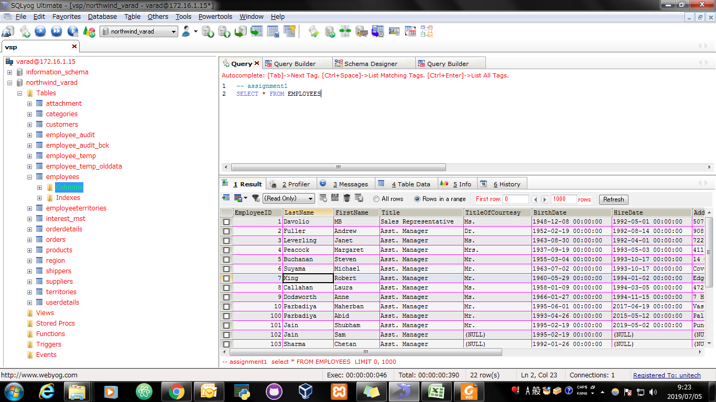
Screen Shoot:

Assignment 2
Assignment 2: | List product id, product name, unit price from products table.

Query: | SELECT productId,productName,UnitPrice FROM PRODUCTS;

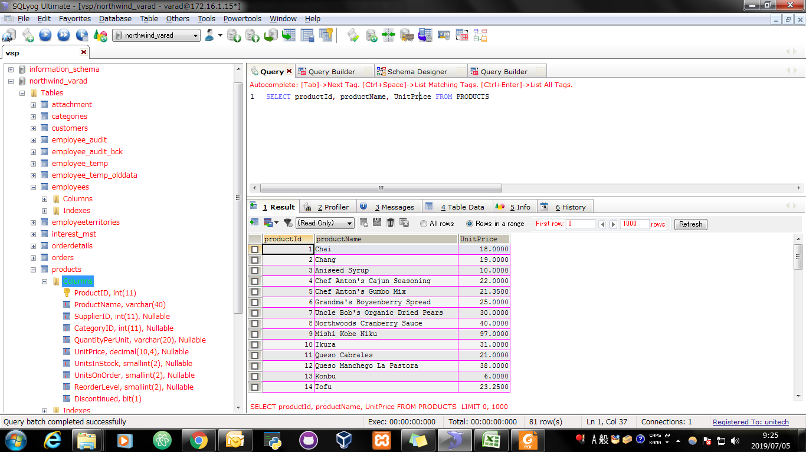
Screen Shoot:

Assignment 3
Assignment 3: | List product id, product name, unit price from products table. Change column name in output as below. product id -> id product name -> name unit price -> price Note: Check alise for Table Name too

Query: | SELECT ProductId ,ProductName ,UnitPrice from PRODUCTS as p;

Screen Shoot:

Query: | ALTER TABLE `products` CHANGE `ProductID` `id` INT(11) NOT NULL AUTO_INCREMENT;

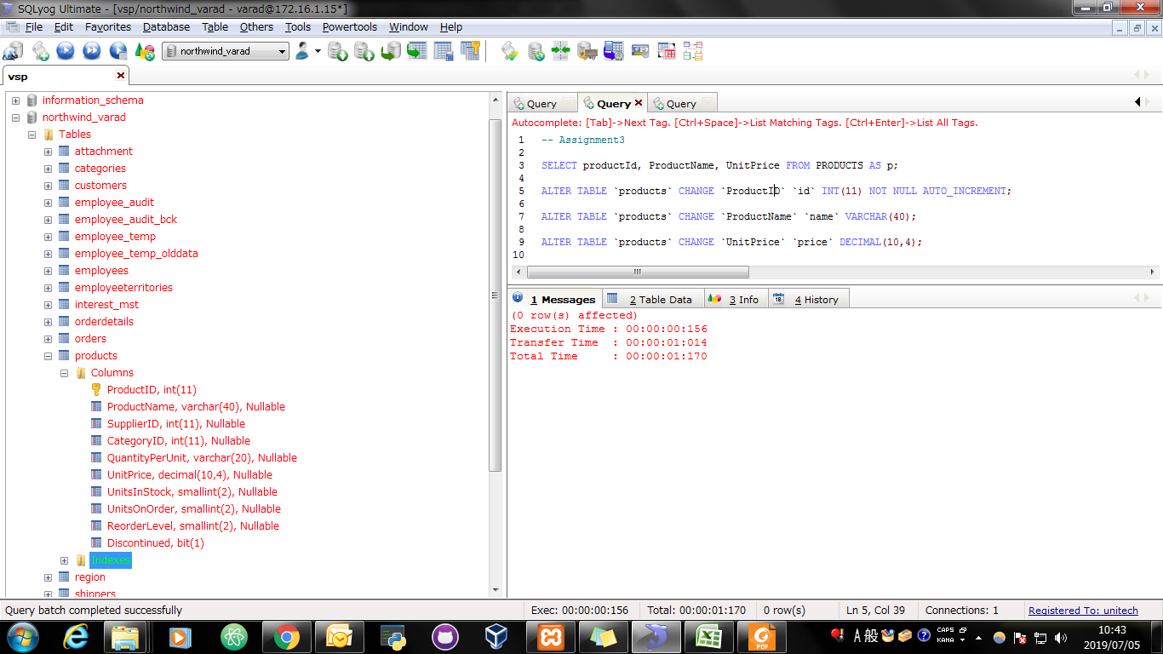
Screen Shoot:

Query: | ALTER TABLE `products` CHANGE `ProductName` `name` VARCHAR(40);

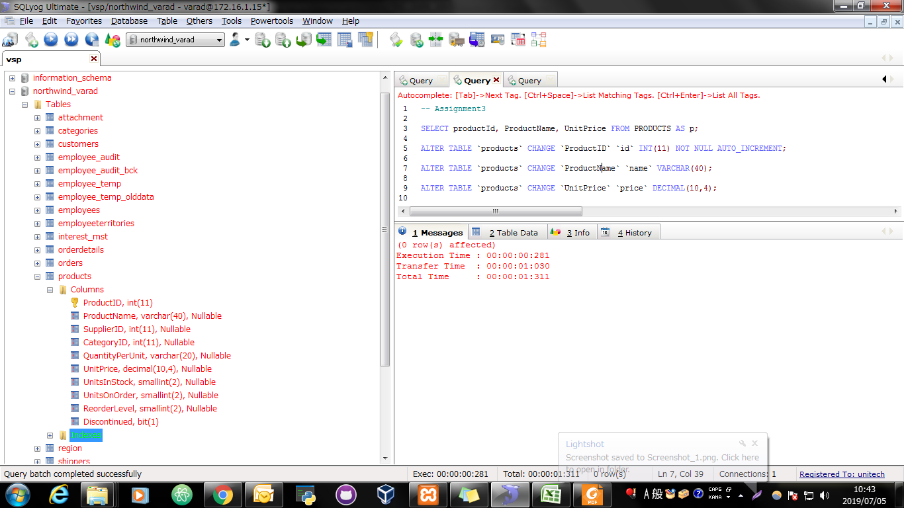
Screen Shoot:

Query: | ALTER TABLE `products` CHANGE `UnitPrice` `price` DECIMAL(10,4);


Screen Shoot:

Assignment 4
Assignment 4: | Write sql query to display all employees in "WA" region. (Use "=" Operator)

Query: | SELECT * FROM employees WHERE Region = "WA";

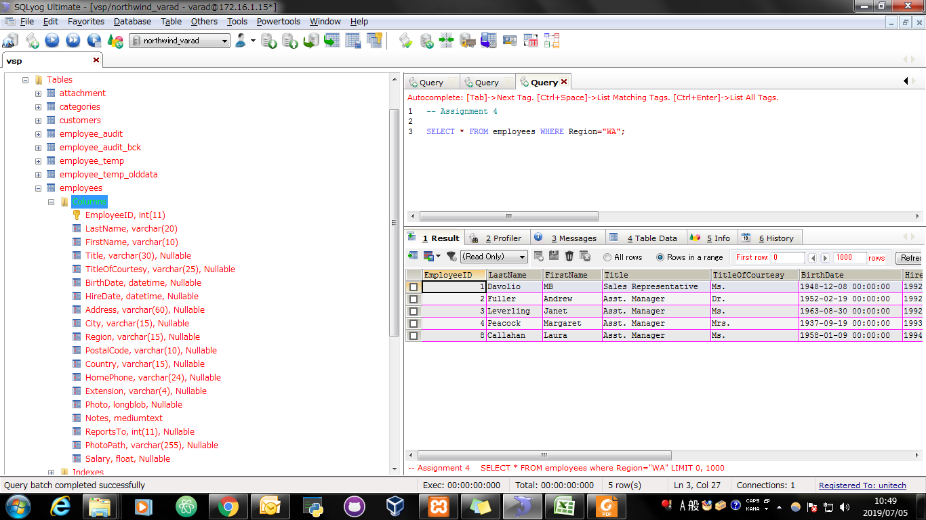
Screen Shoot:

Assignment 5
Assignment 5: | Write sql query to display all products which are still continued. (Use IS Operator)

Query: | SELECT * FROM PRODUCTS WHERE Discontinued IS FALSE;

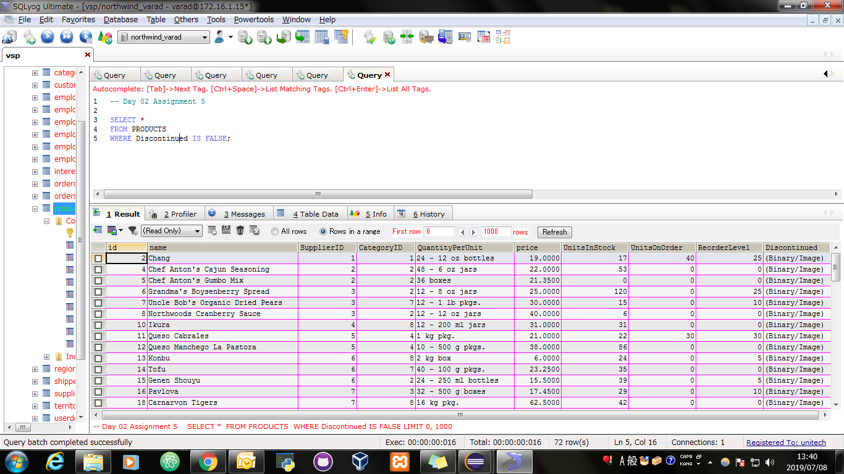
Screen Shoot:

Assignment 6
Assignment 6: | Write sql query to display all employees outside of london. (Use <> Operator)

Query: | SELECT * FROM employees WHERE City <> "London";

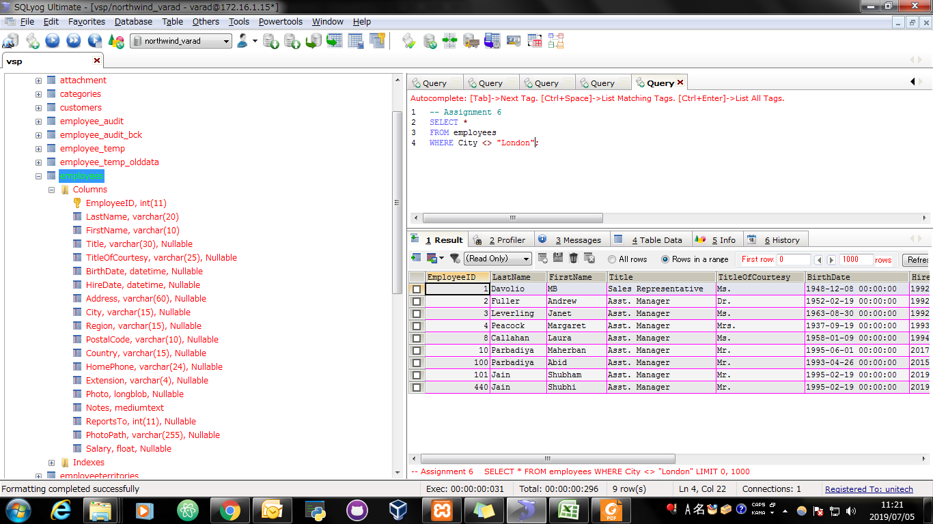
Screen Shoot:

Assignment 7
Assignment 7: | Find a employees who are either Sales Representative or Sales Manager

Query: | SELECT * FROM EMPLOYEES WHERE Title = "Sales Representative" || Title = "Sales Manager"

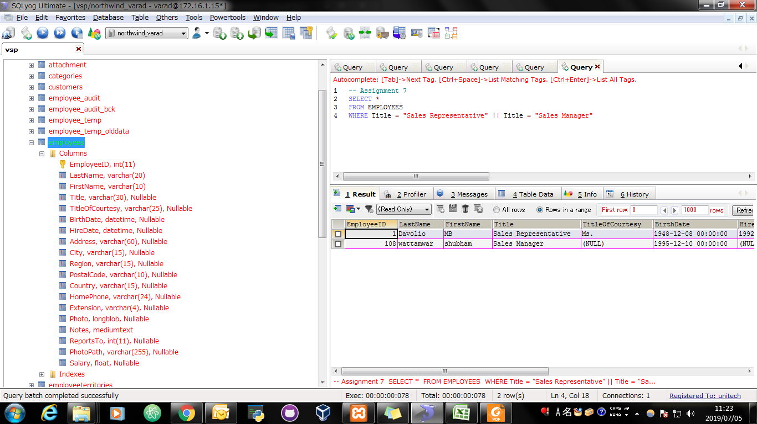
Screen Shoot:

Assignment 8
Assignment 8: | Find a employees who are either Sales Representative or Sales Manager and from london city.

Query: | SELECT *
 | FROM employees
 | WHERE (Title = "Sales Representative" || Title = "Sales Manager")
 | AND City = "London"

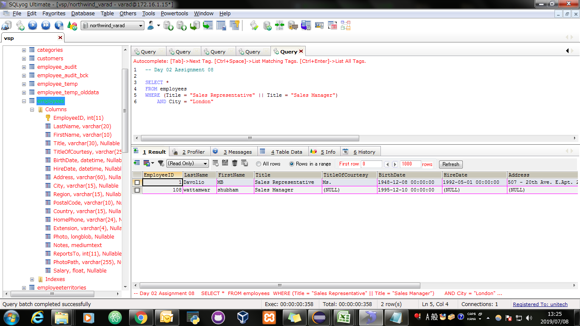
Screen Shoot:

Assignment 9
Assignment 9: | Find a employees whoes TitleOfCourtesy is not "Mr." (Use NOT Operator)

Query: | SELECT * FROM employees WHERE TitleOfCourtesy NOT LIKE "Mr.";

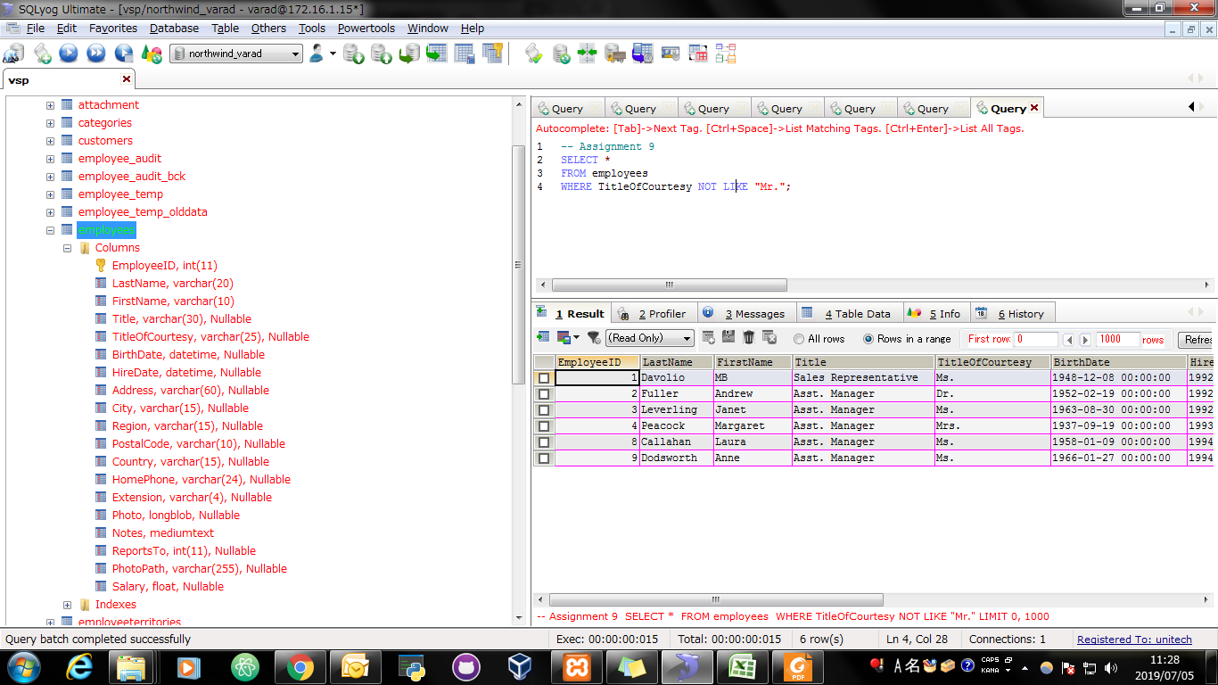
Screen Shoot:

Assignment 10
Assignment 10: | Select all records from the suppliers table where there is at least one record in the orders table with the same supplier_id. (Use Exists Operator)

Query: | SELECT * FROM suppliers AS s WHERE EXISTS (SELECT * FROM orderdetails,products AS p WHERE s.SupplierID = p.SupplierID);

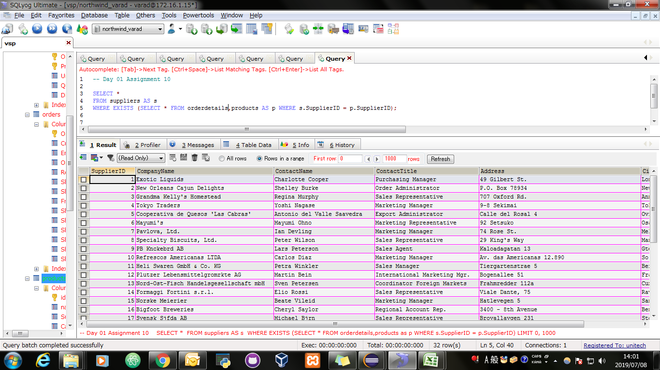
Screen Shoot:

Assignment 11
Assignment 11: | Select all records from the suppliers table where there are no records in the orders table for the given supplier_id.

Query: | SELECT * FROM suppliers AS s WHERE NOT EXISTS (SELECT * FROM orderdetails,products AS p WHERE s.SupplierID = p.SupplierID);

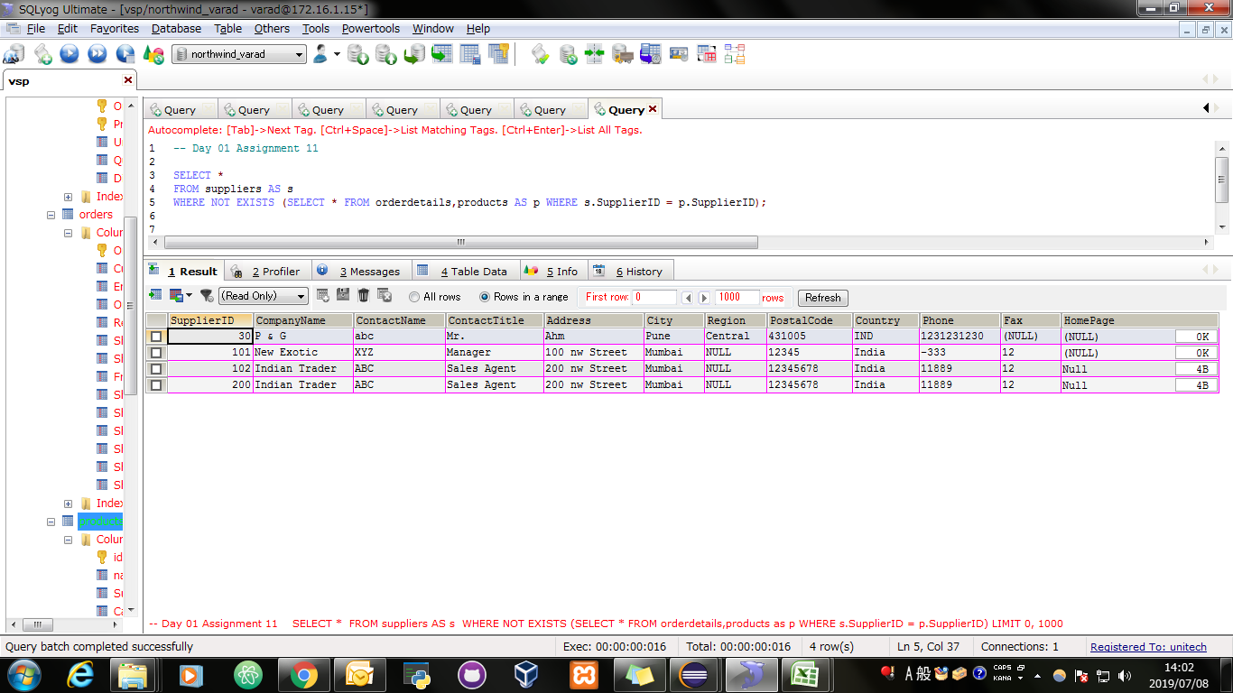
Screen Shoot:

Assignment 12
Assignment 12: | Select all employees whose first name begins with 'S'

Query: | SELECT * FROM employees WHERE FirstName LIKE 'S%';

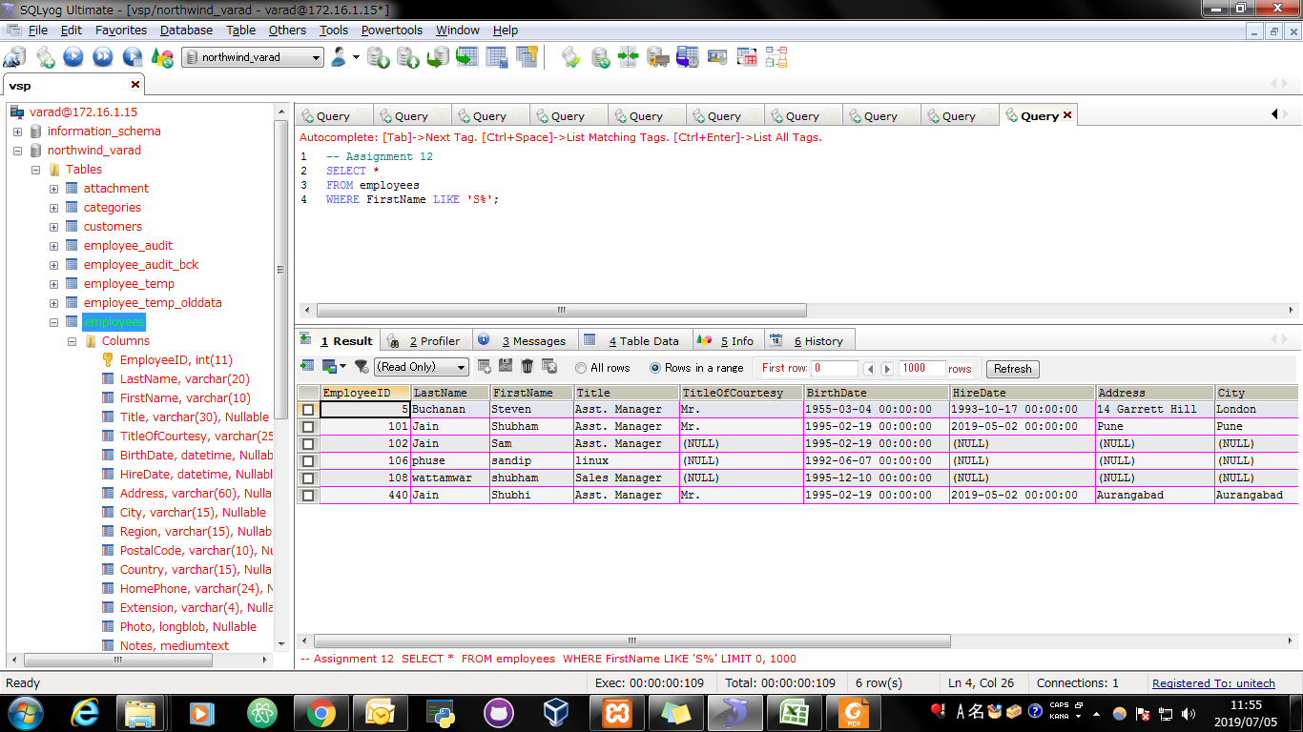
Screen Shoot:

Assignment 13
Assignment 13: | Select all employees whose first name's second character is 'a'.

Query: | SELECT * FROM employees WHERE FirstName LIKE '_a%';

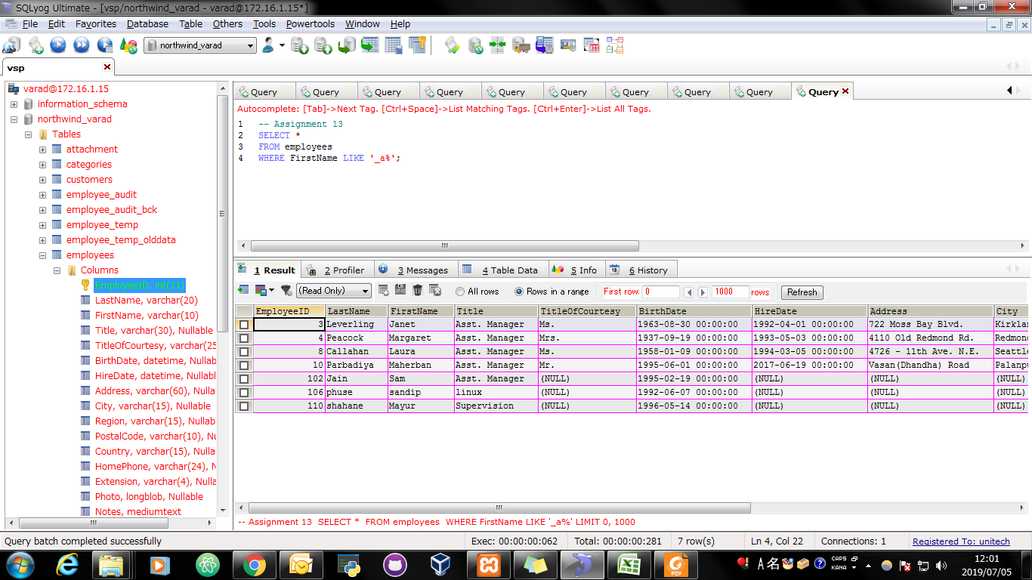
Screen Shoot:

Assignment 14
Assignment 14: | Find all employees whose birthdate is between 1953 to 1958.

Query: | SELECT * FROM employees AS E WHERE YEAR(E.BirthDate)BETWEEN 1953 AND 1958

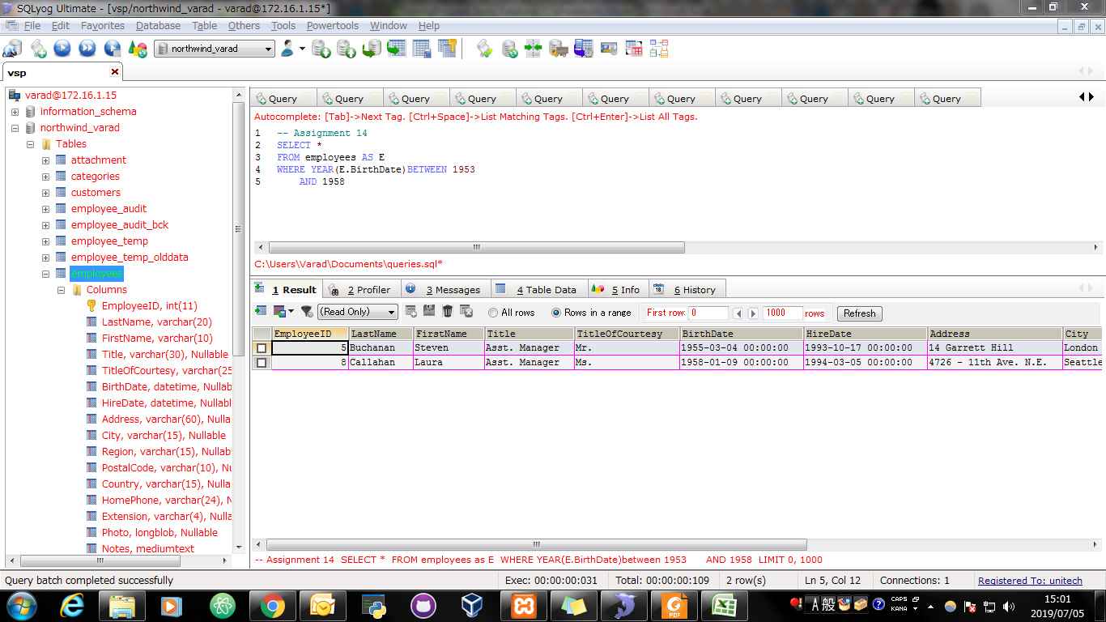
Screen Shoot:

Assignment 15
Assignment 15: | Find a employees who are either Sales Representative or Sales Manager (Use IN Operator)

Query: | SELECT * FROM employees WHERE Title IN('Sales Representative','Sales Manager')

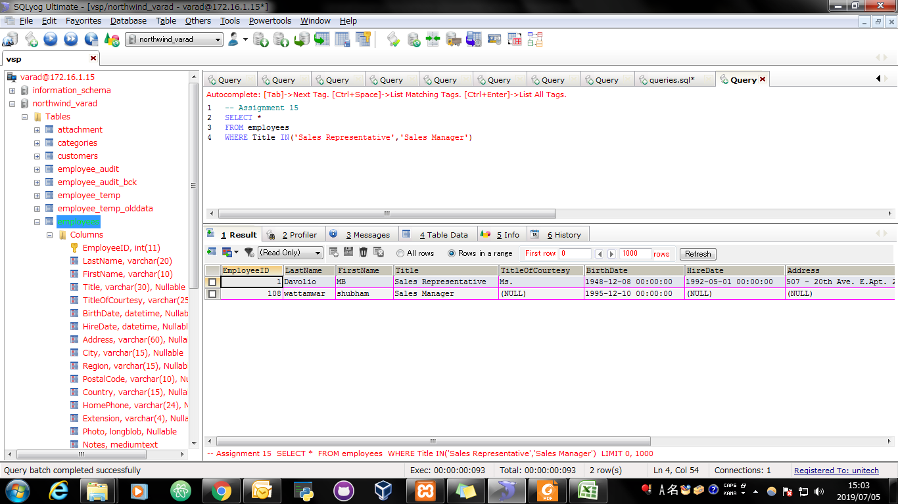
Screen Shoot:

Assignment 16
Assignment 16: | Display LastName, FirstName and Gender from Employees Table. Gender will be based on following Criteria.
 | If TitleOfCourtesy is Ms. Mrs. then display "Female"
 | If TitleOfCourtesy is Dr. Mr. then display "Male"
 | Use Case Statement

Query: | SELECT LastName, FirstName, CASE WHEN TitleOfCourtesy IN ("Ms.","Mrs.") THEN "Female" WHEN TitleOfCourtesy IN ("Dr.","Mr.") THEN "Male" END AS Gender FROM employees;

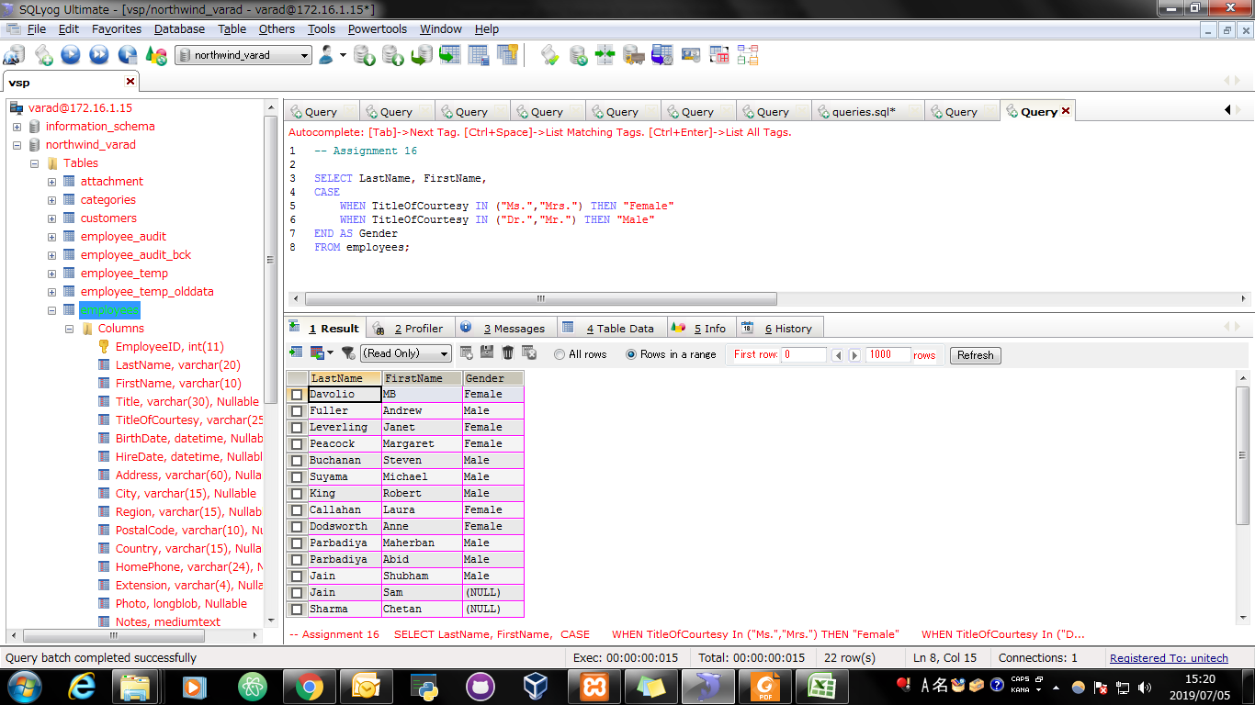
Screen Shoot:

